Result
 |  | 1 | 2 | 3 | 4 | 5 | 6 | 7 | 8 | 9 | 10 | 11 | 12
 | x | 4.12 | 4.12 | 11.18 | 4.16 | 4.28 | 17.38 | 10.87 | 23.73 | 30.78 | 30.78 | 23.26 | 10.87
 | y | 4.12 | 11.73 | 10.31 | 18.32 | 24.55 | 15.50 | 19.29 | 18.32 | 9.30 | 3.09 | 2.63 | 2.63
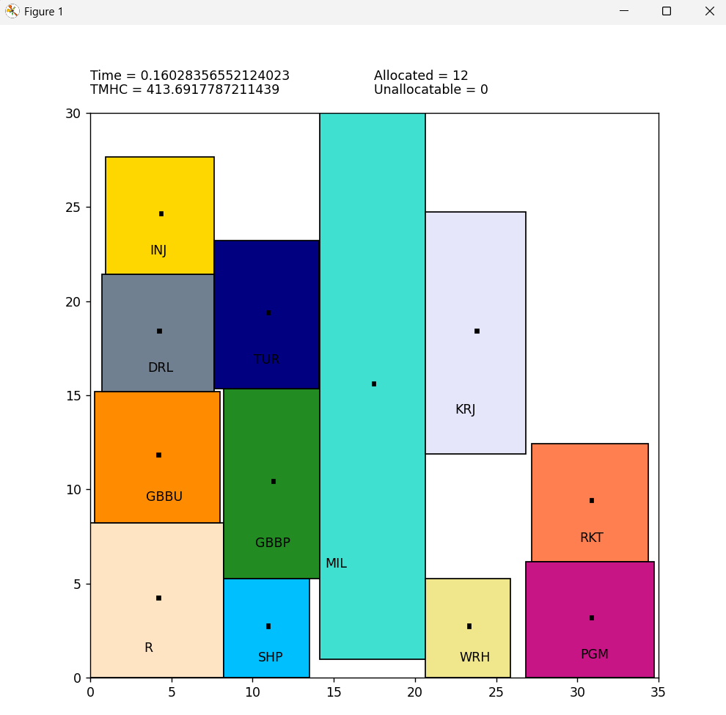
 | x_in | 4.120 | 4.12 | 11.18 | 4.16 | 4.28 | 17.38 | 10.87 | 23.73 | 30.78 | 30.78 | 23.26 | 10.87
 | y_in | 4.12 | 11.73 | 10.31 | 18.32 | 24.55 | 15.50 | 19.29 | 18.32 | 9.30 | 3.09 | 2.63 | 2.63
 | H_bound | 4.12 | 3.86 | 2.95 | 3.46 | 3.34 | 3.25 | 3.25 | 3.10 | 3.58 | 3.95 | 2.63 | 2.63
 | V_bound | 4.12 | 3.49 | 5.06 | 3.11 | 3.12 | 14.51 | 3.92 | 6.43 | 3.13 | 3.09 | 2.63 | 2.63

 |  | decision variable
m | Label | x | y | x_in | y_in | H_bound | V_bound
1 | R | 4.120 | 4.120 | 4.120 | 4.120 | 4.120 | 4.120
2 | GBBU | 4.120 | 11.725 | 4.120 | 11.725 | 3.855 | 3.485
3 | GBBP | 11.185 | 10.310 | 11.185 | 10.310 | 2.945 | 5.060
4 | DRL | 4.163 | 18.320 | 4.163 | 18.320 | 3.456 | 3.110
5 | INJ | 4.276 | 24.550 | 4.276 | 24.550 | 3.344 | 3.120
6 | MIL | 17.380 | 15.495 | 17.380 | 15.495 | 3.250 | 14.505
7 | TUR | 10.865 | 19.290 | 10.865 | 19.290 | 3.246 | 3.920
8 | KRJ | 23.730 | 18.320 | 23.730 | 18.320 | 3.100 | 6.425
9 | RKT | 30.780 | 9.295 | 30.780 | 9.295 | 3.575 | 3.125
10 | PGM | 30.780 | 3.085 | 30.780 | 3.085 | 3.950 | 3.085
11 | WRH | 23.255 | 2.625 | 23.255 | 2.625 | 2.625 | 2.625
12 | SHP | 10.865 | 2.625 | 10.865 | 2.625 | 2.625 | 2.625

dXmn | n | 1 | 2 | 3 | 4 | 5 | 6 | 7 | 8 | 9 | 10 | 11 | 12
m | 1 | 0 | 0 | 7.065 | 0.043 | 0.1555 | 13.26 | 6.745 | 19.61 | 26.66 | 26.66 | 19.135 | 6.745
 | 2 | 0 | 0 | 7.065 | 0.043 | 0.1555 | 13.26 | 6.745 | 19.61 | 26.66 | 26.66 | 19.135 | 6.745
 | 3 | 7.065 | 7.065 | 0 | 7.022 | 6.9095 | 6.195 | 0.32 | 12.545 | 19.595 | 19.595 | 12.07 | 0.32
 | 4 | 0.043 | 0.043 | 7.022 | 0 | 0.1125 | 13.217 | 6.702 | 19.567 | 26.617 | 26.617 | 19.092 | 6.702
 | 5 | 0.1555 | 0.1555 | 6.9095 | 0.1125 | 0 | 13.1045 | 6.5895 | 19.4545 | 26.5045 | 26.5045 | 18.9795 | 6.5895
 | 6 | 13.26 | 13.26 | 6.195 | 13.217 | 13.1045 | 0 | 6.515 | 6.35 | 13.4 | 13.4 | 5.875 | 6.515
 | 7 | 6.745 | 6.745 | 0.32 | 6.702 | 6.5895 | 6.515 | 0 | 12.865 | 19.915 | 19.915 | 12.39 | 0
 | 8 | 19.61 | 19.61 | 12.545 | 19.567 | 19.4545 | 6.35 | 12.865 | 0 | 7.05 | 7.05 | 0.475 | 12.865
 | 9 | 26.66 | 26.66 | 19.595 | 26.617 | 26.5045 | 13.4 | 19.915 | 7.05 | 0 | 0 | 7.525 | 19.915
 | 10 | 26.66 | 26.66 | 19.595 | 26.617 | 26.5045 | 13.4 | 19.915 | 7.05 | 0 | 0 | 7.525 | 19.915
 | 11 | 19.135 | 19.135 | 12.07 | 19.092 | 18.9795 | 5.875 | 12.39 | 0.475 | 7.525 | 7.525 | 0 | 12.39
 | 12 | 6.745 | 6.745 | 0.32 | 6.702 | 6.5895 | 6.515 | 0 | 12.865 | 19.915 | 19.915 | 12.39 | 0

dYmn | n | 1 | 2 | 3 | 4 | 5 | 6 | 7 | 8 | 9 | 10 | 11 | 12
m | 1 | 0 | 7.605 | 6.19 | 14.2 | 20.43 | 11.375 | 15.17 | 14.2 | 5.175 | 1.035 | 1.495 | 1.495
 | 2 | 7.605 | 0 | 1.415 | 6.595 | 12.825 | 3.77 | 7.565 | 6.595 | 2.43 | 8.64 | 9.1 | 9.1
 | 3 | 6.19 | 1.415 | 0 | 8.01 | 14.24 | 5.185 | 8.98 | 8.01 | 1.015 | 7.225 | 7.685 | 7.685
 | 4 | 14.2 | 6.595 | 8.01 | 0 | 6.23 | 2.825 | 0.97 | 0 | 9.025 | 15.235 | 15.695 | 15.695
 | 5 | 20.43 | 12.825 | 14.24 | 6.23 | 0 | 9.055 | 5.26 | 6.23 | 15.255 | 21.465 | 21.925 | 21.925
 | 6 | 11.375 | 3.77 | 5.185 | 2.825 | 9.055 | 0 | 3.795 | 2.825 | 6.2 | 12.41 | 12.87 | 12.87
 | 7 | 15.17 | 7.565 | 8.98 | 0.97 | 5.26 | 3.795 | 0 | 0.97 | 9.995 | 16.205 | 16.665 | 16.665
 | 8 | 14.2 | 6.595 | 8.01 | 0 | 6.23 | 2.825 | 0.97 | 0 | 9.025 | 15.235 | 15.695 | 15.695
 | 9 | 5.175 | 2.43 | 1.015 | 9.025 | 15.255 | 6.2 | 9.995 | 9.025 | 0 | 6.21 | 6.67 | 6.67
 | 10 | 1.035 | 8.64 | 7.225 | 15.235 | 21.465 | 12.41 | 16.205 | 15.235 | 6.21 | 0 | 0.46 | 0.46
 | 11 | 1.495 | 9.1 | 7.685 | 15.695 | 21.925 | 12.87 | 16.665 | 15.695 | 6.67 | 0.46 | 0 | 0
 | 12 | 1.495 | 9.1 | 7.685 | 15.695 | 21.925 | 12.87 | 16.665 | 15.695 | 6.67 | 0.46 | 0 | 0

Flow Matrix
 | To | 1 | 2 | 3 | 4 | 5 | 6 | 7 | 8 | 9 | 10 | 11 | 12
From | 1 | 0 | 1 | 1 | 0 | 0 | 0 | 0 | 0 | 0 | 0 | 0 | 0
 | 2 | 0 | 0 | 0 | 0 | 0 | 0 | 0 | 2 | 0 | 0 | 0 | 0
 | 3 | 0 | 0 | 0 | 0 | 0 | 0 | 0 | 5 | 0 | 0 | 0 | 0
 | 4 | 0 | 0 | 0 | 0 | 0 | 0 | 0 | 1 | 0 | 0 | 0 | 0
 | 5 | 0 | 0 | 0 | 0 | 0 | 1 | 0 | 1 | 0 | 0 | 0 | 0
 | 6 | 0 | 0 | 0 | 0 | 1 | 0 | 0 | 2 | 0 | 0 | 0 | 0
 | 7 | 0 | 0 | 0 | 0 | 2 | 1 | 0 | 1 | 0 | 0 | 0 | 0
 | 8 | 0 | 0 | 0 | 1 | 1 | 1 | 8 | 0 | 2 | 0 | 0 | 0
 | 9 | 0 | 0 | 0 | 0 | 0 | 0 | 0 | 0 | 0 | 3 | 0 | 0
 | 10 | 0 | 0 | 0 | 0 | 0 | 0 | 0 | 0 | 0 | 0 | 3 | 0
 | 11 | 0 | 0 | 0 | 0 | 0 | 0 | 0 | 0 | 0 | 0 | 0 | 1
 | 12 | 0 | 0 | 0 | 0 | 0 | 0 | 0 | 0 | 0 | 0 | 0 | 0

Cost Matrix
 | To | 1 | 2 | 3 | 4 | 5 | 6 | 7 | 8 | 9 | 10 | 11 | 12
From | 1 | 0 | 12.163158771 | 12.163158771 | 0 | 0 | 0 | 0 | 0 | 0 | 0 | 0 | 0
 | 2 | 0 | 0 | 0 | 0 | 0 | 0 | 0 | 0.015066114916 | 0 | 0 | 0 | 0
 | 3 | 0 | 0 | 0 | 0 | 0 | 0 | 0 | 0.015066114916 | 0 | 0 | 0 | 0
 | 4 | 0 | 0 | 0 | 0 | 0 | 0 | 0 | 0.015066114916 | 0 | 0 | 0 | 0
 | 5 | 0 | 0 | 0 | 0 | 0 | 0.015066114916 | 0 | 0.015066114916 | 0 | 0 | 0 | 0
 | 6 | 0 | 0 | 0 | 0 | 0.015066114916 | 0 | 0 | 0.015066114916 | 0 | 0 | 0 | 0
 | 7 | 0 | 0 | 0 | 0 | 0.015066114916 | 0.015066114916 | 0 | 0.015066114916 | 0 | 0 | 0 | 0
 | 8 | 0 | 0 | 0 | 0.015066114916 | 0.015066114916 | 0.015066114916 | 0.015066114916 | 0 | 0.015066114916 | 0 | 0 | 0
 | 9 | 0 | 0 | 0 | 0 | 0 | 0 | 0 | 0 | 0 | 0.015066114916 | 0 | 0
 | 10 | 0 | 0 | 0 | 0 | 0 | 0 | 0 | 0 | 0 | 0 | 0.015066114916 | 0
 | 11 | 0 | 0 | 0 | 0 | 0 | 0 | 0 | 0 | 0 | 0 | 0 | 12.163158771
 | 12 | 0 | 0 | 0 | 0 | 0 | 0 | 0 | 0 | 0 | 0 | 0 | 0

MHC
 | To | 1 | 2 | 3 | 4 | 5 | 6 | 7 | 8 | 9 | 10 | 11 | 12
From | 1 | 0 | 92.500822453 | 161.22266951 | 0 | 0 | 0 | 0 | 0 | 0 | 0 | 0 | 0
 | 2 | 0 | 0 | 0 | 0 | 0 | 0 | 0 | 0.78961508276 | 0 | 0 | 0 | 0
 | 3 | 0 | 0 | 0 | 0 | 0 | 0 | 0 | 1.5484199605 | 0 | 0 | 0 | 0
 | 4 | 0 | 0 | 0 | 0 | 0 | 0 | 0 | 0.29479867057 | 0 | 0 | 0 | 0
 | 5 | 0 | 0 | 0 | 0 | 0 | 0.33385757349 | 0 | 0.38696562857 | 0 | 0 | 0 | 0
 | 6 | 0 | 0 | 0 | 0 | 0.33385757349 | 0 | 0 | 0.27646320871 | 0 | 0 | 0 | 0
 | 7 | 0 | 0 | 0 | 0 | 0.3570518574 | 0.15533164479 | 0 | 0.20843969987 | 0 | 0 | 0 | 0
 | 8 | 0 | 0 | 0 | 0.29479867057 | 0.38696562857 | 0.13823160436 | 1.6675175989 | 0 | 0.48437559456 | 0 | 0 | 0
 | 9 | 0 | 0 | 0 | 0 | 0 | 0 | 0 | 0 | 0 | 0.28068172089 | 0 | 0
 | 10 | 0 | 0 | 0 | 0 | 0 | 0 | 0 | 0 | 0 | 0 | 0.36090878282 | 0
 | 11 | 0 | 0 | 0 | 0 | 0 | 0 | 0 | 0 | 0 | 0 | 0 | 150.70153717
 | 12 | 0 | 0 | 0 | 0 | 0 | 0 | 0 | 0 | 0 | 0 | 0 | 0

 | TMHC | 412.72

Color
